MOQ
Plant and Others? |  |  |  |  |  |  | Product categories
Packing | MOQ (5MT) FOR CAT 3 | 2 MT for CAT 2 | Material packaging | Packaging description | LEAD TIME | Pack Size | 1 | 2 | 3 | 4 | 5 | SKU Pack Size | Qty per Pallet
208L | 28 | 12 | AER | Spray |  | BIG | 7 | 15 | 25 | up to 60 | TBC | 208L | 4
200L | 28 | 12 | BLK | Bulk |  | SMALL | 7 | 20 | 35 | up to 60 | TBC | 200L | 4
3B5L | 370 | 150 | C00 | Box <1LK |  |  |  |  |  |  |  | 3B5L | 45
6B4L | N/A | N/A | C01 | Box 1LK |  |  |  |  |  |  |  | 12B1L | 60
4B5L | 300 | 150 | C02 | Box 2LK |  |  |  |  |  |  |  | 24B1L | 30
4B4L | 370 | 150 | C03 | Box 3LK |  |  |  |  |  |  |  | 16B05L | 75
4B3L | 475 | 150 | C04 | Box 4LK |  |  |  |  |  |  |  | 1000L | 1
20B1L | 925 | No Cat 2A | C05 | Box 5LK |  |  |  |  |  |  |  | 3B4L | 54
12B1L | 500 | 200 | C10 | Pail 10LK |  |  |  |  |  |  |  | 15LP | 36
18B1L | 320 | 135 | C15 | Pail 15LK |  |  |  |  |  |  |  | 25LJ | 48
18B08L | 400 | 170 | C20 | Pail 20LK |  |  |  |  |  |  |  | 20LJ | 48
24B05L | 450 | 190 | C50 | Drumlet 60LK |  |  |  |  |  |  |  | 18LP | 36
24B07LM | 400 | No Cat 2A | CON | Container
24B08LM | 1100 | No Cat 2A | FUT | Drum 200LK
24B1L | 300 | No Cat 2A | LOT | Kit
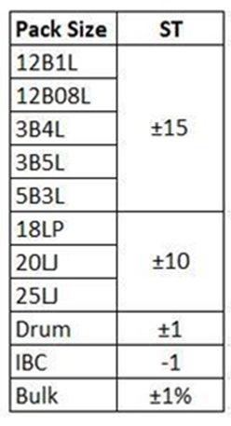
24B1LM | 900 | No Cat 2A | SAM | Sample
25L | 230 | 120 | XXX | Various
25LJ | 230 | 120 | Z001 | CAN 250 ML
20L | 300 | 120 | Z002 | CAN 400 ML
20LP | 300 | 120 | Z003 | CAN 500 ML
20LJ | 300 | 120 | Z004 | CAN 1 L
18L | 320 | 120 | Z005 | CAN 2 L
18LP | 320 | 120 | Z006 | CAN 4 L
1000L | 6 | 2 | Z007 | CAN 5 L
3B5L for Subcon |  |  | Z008 | CONTAINER 1000 L
200L for Myanmar | 240 |  | Z009 | CONTAINER 985 L
12B08L | 600 | 240 | Z010 | DRUM 200 L
3B4L | 500 | 200 | Z011 | DRUM 215 L
5B3L | 400 | 160 | Z012 | DRUM 170 KG
15LP | 350 | 140 | Z013 | DRUM 175 KG
 |  |  | Z014 | DRUM 180 KG
FLXBAG/ISTK | 25 |  | Z015 | DRUM 185 KG
 |  |  | Z016 | DRUM 185 KG PLASTIC
 |  |  | Z017 | DRUM 186 KG
 |  |  | Z018 | DRUM 190 KG
 |  |  | Z019 | DRUM 200 KG PLASTIC
 |  |  | Z020 | BAG 25 KG
 |  |  | Z021 | SPRAY 0.2 L
 |  |  | Z022 | SPRAY 0.25 L
 |  |  | Z023 | SPRAY 0.4 L
 |  |  | Z024 | SPRAY 0.5 L
 |  |  | Z025 | PAIL 20 L
 |  |  | Z026 | PAIL 20 L PLASTIC
 |  |  | Z027 | PAIL 25 L
 |  |  | Z028 | PAIL 25 L PLASTIC
 |  |  | Z029 | PAIL 28 L
 |  |  | Z030 | PAIL 28 L PLASTIC
 |  |  | Z031 | PAIL 30 L
 |  |  | Z032 | PAIL 30 L PLASTIC
 |  |  | Z033 | KEG 50 L
 |  |  | Z034 | KEG 60 L
 |  |  | Z035 | BULK
 |  |  | Z036 | BIDON 5 L ACIER
 |  |  | Z037 | DRUM 178 KG

Reference
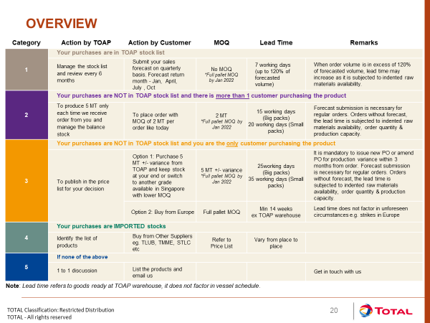

Marine products
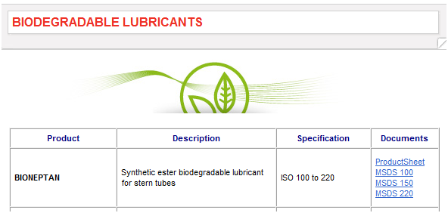

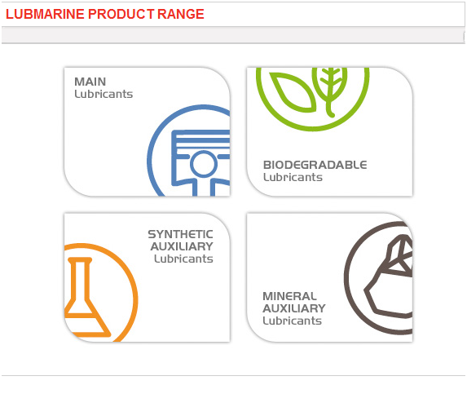

Please note that products that fall in the product hierarchy P13N21, the material group should be defined as below mentioned

C26 | - Lubmarine Auxiliary Minerial
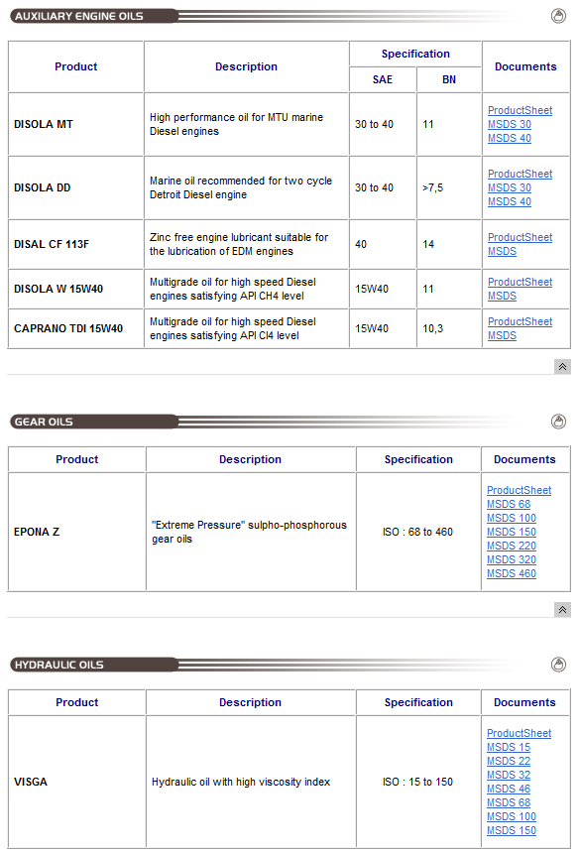


C27 | - Lubmarine Auxiliary Synthetics
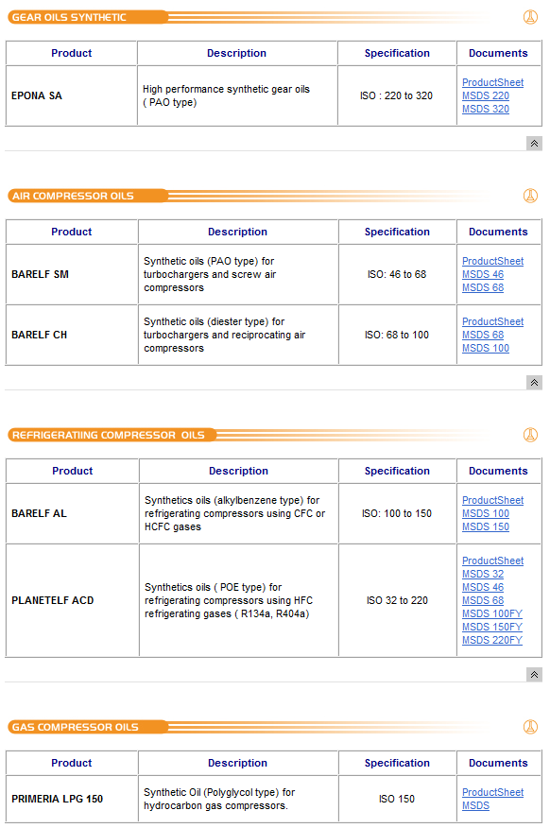


C29 | - Lubmarine Biolubricants

